Environmental Cleaning Audit



Interior Environmental Cleaning Audit Tool

This audit tool has been designed by the Clinical Excellence Commission (June 2012) and is based on the Enivronmental Cleaning audit tool of Western NSW Local Health District and Concord Hospital

Introduction
Introduction

The interior Environmental Cleaning Audit workbook has been designed to assist health facilities to conduct cleaning inspections, record the results and develop an action plan if required. This workbook contains instructions on how use the tool, standards to be reached for each element, a sample audit score sheet along with the audit score sheet and action plan. This workbook is to be used in conjunction with the Environmental Cleaning Policy and Standard Operating Procedures.

Every location in a health facility is assigned one of four functional areas based on the risk of transmission of infection to a patient or visitor. The frequency to audit each Functional Areas is also based on the level of risk assigned to that Functional area. In addition each Functional area has its own weighting score for the minimum level of cleanliness to be achieved.

Auditors input a score for the cleanliness of specific element such as walls, flooring, etc, in each functional area. These elements are scored as "1" for satisfactory and "0" for unsatisfactory. When an item is N/A leave the "X" in the box. For an element to achieve a "1" score all parts of that element must be of the same standard. The data will automatically calculate the Total Score achieved against the potential Achievable Score for each element. The Functional Area Overall Percentage Score is then automatically calculated. A higher percentage score indicates a higher level of elements regarded as acceptable in terms of cleanliness.

An audit score less than the required score for each Functional Area indicates an unsatisfactory level of compliance and improvement is required. Issues are to be indentified on the action plan along with actions to improve compliance. Each Functional Area has its own time frames for rectifying poor compliance issues.

While the audit tool contained in this work book is not mandatory for facilities to use, facilities are required to conduct audits and develop action plans according to the Environmental Cleaning Policy and base the audits on the standards to be reached for each element that are outlined in this workbook.

Instructions
Instructions on using the Audit Tool

Step 1: Insert the name of the Functional Area, auditor and date across the top

Step 2: Insert the names of the rooms or room numbers of the Functional area down
the left hand column

Step 3: Insert "1" for satisfactory, "0" for unsatisfactory and "X" for N/A, for each room and under each element that is being inspected. The box will automatically go blue or red depending on the number inseted. The box will only change colour for the number 1 or 0.

Step 4: Achievable Score, Total Score and Overall Percentage Score will be automatically calculated.

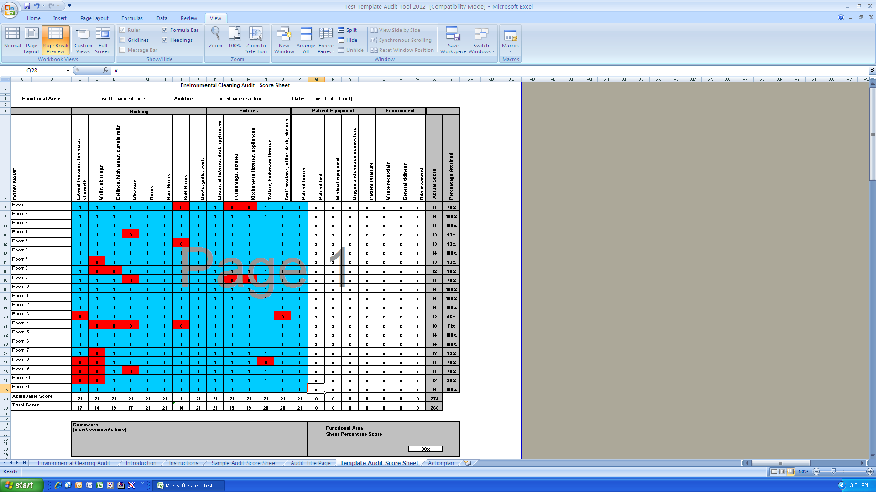

Step 1

Step 2

Step 3

Step 4

Any problems should be noted in the comments section

Audit Title Page
Interior Environmental Cleaning Audit

Facility:

Department:

Functional Risk & Rating Level:

Date of Audit:

Name of Auditor:

